GUIDE TO SPREADSHEET
This Excel spreadsheet contains the underlying data used to create the charts seen in the 'Participants with a neurodegenerative condition in the NDIS' report, published by the NDIA in June 2021.

The numbered tabs on the sheet correspond to the pages in the report. In the name of each tab, there is an abbreviated description of the page following the page number.

For example, page 12 of the report has three charts titled 'Participation rates for (disability type) by State/Territory'. The title of the page is 'Participation rates by State/Territory (continued)'.
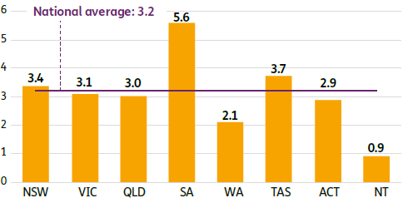
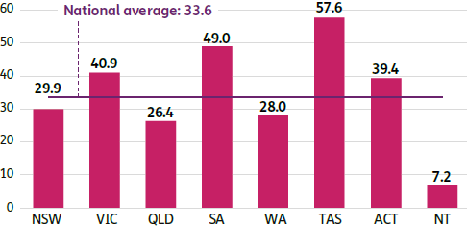
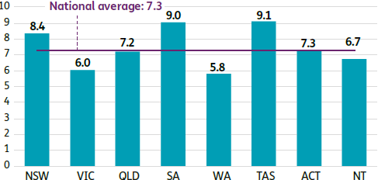

The underlying numbers for these charts are shown in the Tab named '12. Participation Rates State 2' in this spreadsheet - e.g. |  |  |  |  |  |  |  |  | z

Motor neurone disease | Per 100000 |  | Multiple sclerosis | Per 100000 |  | Parkinson's disease | Per 100000
NSW | 3.4 |  | NSW | 29.9 |  | NSW | 8.4
VIC | 3.1 |  | VIC | 40.9 |  | VIC | 6.0
QLD | 3.0 |  | QLD | 26.4 |  | QLD | 7.2
SA | 5.6 |  | SA | 49.0 |  | SA | 9.0
WA | 2.1 |  | WA | 28.0 |  | WA | 5.8
TAS | 3.7 |  | TAS | 57.6 |  | TAS | 9.1
ACT | 2.9 |  | ACT | 39.4 |  | ACT | 7.3
NT | 0.9 |  | NT | 7.2 |  | NT | 6.7
National Average | 3.2 |  | National Average | 33.6 |  | National Average | 7.3

For example, page 15 of the report has two charts titled 'Active participants with (disability type) over time'. The title of the page is 'Participants over time'.
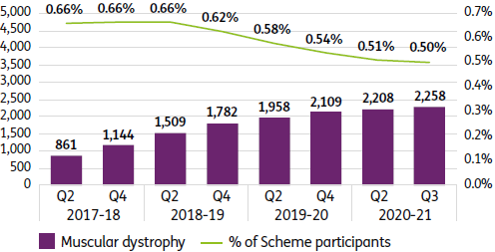
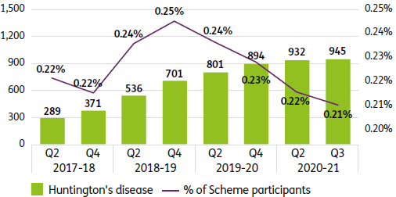

The underlying numbers for these charts are shown in the Tab named '15. Participants over Time 1' in this spreadsheet - e.g.

Muscular dystrophy | 2017-18 |  | 2018-19 |  | 2019-20 |  | 2020-21
 | Q2 | Q4 | Q2 | Q4 | Q2 | Q4 | Q2 | Q3
Acquired brain injury | 861 | 1,144 | 1,509 | 1,782 | 1,958 | 2,109 | 2,208 | 2,258
% of Scheme participants | 0.66% | 0.66% | 0.66% | 0.62% | 0.58% | 0.54% | 0.51% | 0.50%

Huntington's disease | 2017-18 |  | 2018-19 |  | 2019-20 |  | 2020-21
 | Q2 | Q4 | Q2 | Q4 | Q2 | Q4 | Q2 | Q3
Acquired brain injury | 289 | 371 | 536 | 701 | 801 | 894 | 932 | 945
% of Scheme participants | 0.22% | 0.22% | 0.24% | 0.25% | 0.24% | 0.23% | 0.22% | 0.21%

For example, page 20 of the report has two charts titled 'Active participants by Existing/New status' and 'Active participants by level of function'. The title of the page is 'Participants by Existing/New status, by level of function'.
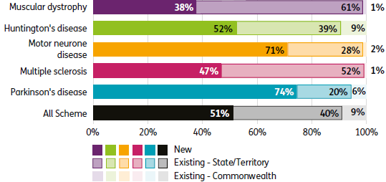
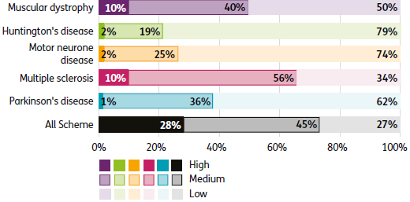

The underlying numbers for these charts are shown in the Tab named '20. Existing versus New, LoF' in this spreadsheet - e.g.

By Existing/New status | Muscular dystrophy | Huntington's disease | Motor neurone disease | Multiple sclerosis | Parkinson's disease | All Scheme
New | 38% | 52% | 71% | 47% | 74% | 51%
Existing (State) | 61% | 39% | 28% | 52% | 20% | 40%
Existing (Commonwealth) | 1% | 9% | 2% | 1% | 6% | 9%

By Level of Function | Muscular dystrophy | Huntington's disease | Motor neurone disease | Multiple sclerosis | Parkinson's disease | All Scheme
New | 10% | 2% | 2% | 10% | 1% | 28%
Existing (State) | 40% | 19% | 25% | 56% | 36% | 45%
Existing (Commonwealth) | 50% | 79% | 74% | 34% | 62% | 27%

For example, page 30 of the report has three charts titled 'Complete a Participant Requested Review within 42 days of making the decision to conduct the review'. The title of the page is 'Participant Service Guarantee: Participant Requested Review metrics (continued)'.
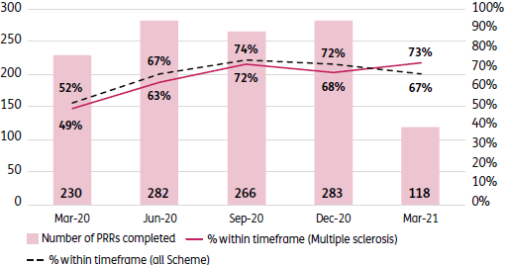
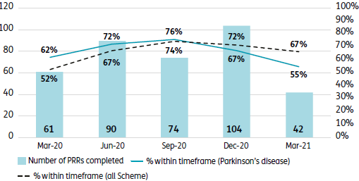
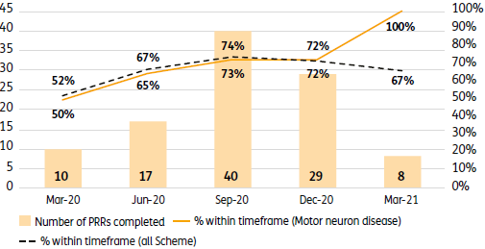

The underlying numbers for these charts are shown in the Tab named '30. PSG Review 2' in this spreadsheet - e.g.

Complete a Participant Requested Review, after the decision to accept the request was made | Mar-20 | Jun-20 | Sep-20 | Dec-20 | Mar-21
Number of tasks (Motor neurone disease) | 10 | 17 | 40 | 29 | 8
% Within Timeframe (Motor neurone disease) | 50% | 65% | 73% | 72% | 100%
% Within Timeframe (All Scheme) | 52% | 67% | 74% | 72% | 67%

Complete a Participant Requested Review, after the decision to accept the request was made | Mar-20 | Jun-20 | Sep-20 | Dec-20 | Mar-21
Number of tasks (Multiple sclerosis) | 230 | 282 | 266 | 283 | 118
% Within Timeframe (Multiple sclerosis) | 49% | 63% | 72% | 68% | 73%
% Within Timeframe (All Scheme) | 52% | 67% | 74% | 72% | 67%

Complete a Participant Requested Review, after the decision to accept the request was made | Mar-20 | Jun-20 | Sep-20 | Dec-20 | Mar-21
Number of tasks (Parkinson's disease) | 61 | 90 | 74 | 104 | 42
% Within Timeframe (Parkinson's disease) | 62% | 72% | 76% | 67% | 55%
% Within Timeframe (All Scheme) | 52% | 67% | 74% | 72% | 67%

For example, page 47 of the report has two charts titled 'Average annualised committed supports for participants with SIL (in $'000s) and proportions of participants with SIL' and 'Average annualised committed supports for participants without SIL (in $'000s) and proportions of participants without SIL'. The title of the page is 'Committed Supports by SIL status'.
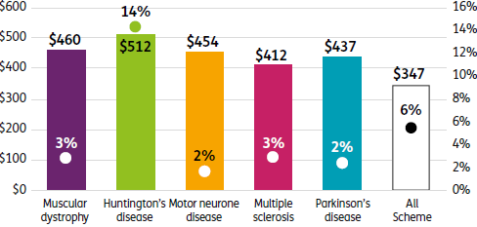
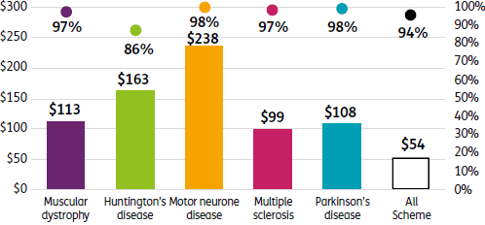

The underlying numbers for these charts are shown in the Tab named '47. Committed Supports by SIL' in this spreadsheet - e.g.

Annualised committed supports in active plans for participants with SIL | Muscular dystrophy | Huntington's disease | Motor neurone disease | Multiple sclerosis | Parkinson's disease | All Scheme
Average Annualised Committed Supports | $460 | $512 | $454 | $412 | $437 | $347
Proportion of SIL Participants | 3% | 14% | 2% | 3% | 2% | 6%

Annualised committed supports in active plans for participants without SIL | Muscular dystrophy | Huntington's disease | Motor neurone disease | Multiple sclerosis | Parkinson's disease | All Scheme
Average Annualised Committed Supports | $113 | $163 | $238 | $99 | $108 | $54
Proportion of Non-SIL Participants | 97% | 86% | 98% | 97% | 98% | 94%

For example, page 50 of the report has two charts titled 'Total annualised committed supports by type in active plans for participants with (disability type) ($ millions)'. The title of the page is 'Types of Committed Supports'.
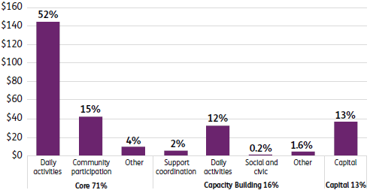
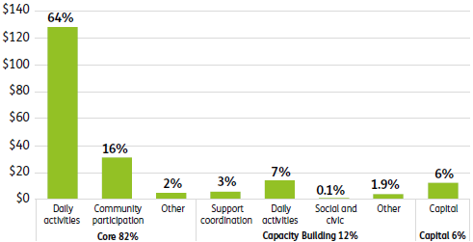

The underlying numbers for these charts are shown in the Tab named '50. Committed Support Types 1' in this spreadsheet - e.g.

 | in $000,000's | Muscular dystrophy($) | Muscular dystrophy(%) | Huntington's disease($) | Huntington's disease(%)
Core | Core Total | $196,748,726.25 | 71% | $164,378,706.41 | 82%
 | Daily Activities | $144,422,360.55 | 52% | $128,355,491.07 | 64%
 | Community Participation | $42,501,826.15 | 15% | $31,154,817.12 | 16%
 | Other (includes below) | $9,824,539.55 | 4% | $4,868,398.22 | 2%
 | Transport (not graphed) | $3,188,607.59 | 1.2% | $1,690,782.33 | 1%
 | Consumables (not graphed) | $6,635,931.97 | 2.4% | $3,177,615.90 | 2%
Capacity Building | Capacity Building Total | $43,493,384.62 | 16% | $23,994,965.82 | 12%
 | Support Coordination | $5,736,156.22 | 2% | $5,789,991.20 | 3%
 | Daily Activities | $32,693,240.10 | 12% | $14,203,788.46 | 7%
 | Social and Civic | $643,553.31 | 0.2% | $109,942.58 | 0.1%
 | Other (includes below) | $4,420,434.99 | 1.6% | $3,891,243.58 | 1.9%
 | Employment (not graphed) | $1,000,141.23 | 0.4% | $18,484.27 | 0%
 | Relationships (not graphed) | $347,077.59 | 0.1% | $2,175,438.51 | 1%
 | Choice and Control (not graphed) | $1,882,722.43 | 0.7% | $1,036,753.33 | 1%
 | Health and Wellbeing (not graphed) | $1,177,658.27 | 0.4% | $652,664.38 | 0%
 | Home Living (not graphed) | $9,050.65 | 0.00% | $7,903.10 | 0%
 | Lifelong Learning (not graphed) | $3,784.83 | 0.00% | $- | 0%
Capital | Capital Total (includes below) | $36,410,891.78 | 13% | $12,060,983.28 | 6%
 | Home Modification (not graphed) | $6,186,078.61 | 2.2% | $2,676,524.35 | 1%
 | Assistive Technology (not graphed) | $30,224,813.17 | 11% | $9,384,458.93 | 5%

For example, page 76 of the report has one chart titled 'Selected baseline indicators for families/carers of participants with Multiple sclerosis compared with the Scheme as a whole'. The title of the page is 'Family/carer baseline outcomes - Multiple sclerosis'.

The underlying numbers for this chart are shown in the Tab named '75. FC Baseline (MS)' in this spreadsheet - e.g. |  |  |  |  |  |  |  |  | z

Indicator | Age group | Multiple sclerosis | All Scheme
% in paid job | 15 to 24 | 67% | 51%
 | 25 and over | 49% | 37%
% working as much as they want while providing informal care | 15 to 24 | 44% | 47%
 | 25 and over | 54% | 56%
% advocating (standing up) for their family member with disability | 15 to 24 | 83% | 69%
 | 25 and over | 71% | 65%
% rate their health as "Excellent", "Very Good" or "Good" | 15 to 24 | 66% | 62%
 | 25 and over | 65% | 60%
% having friends they can see as often as they'd like | 15 to 24 | 58% | 45%
 | 25 and over | 43% | 48%
% receiving Carer Payment | 15 to 24 | 6% | 25%
 | 25 and over | 25% | 22%
% receiving Carer Allowance | 15 to 24 | 17% | 45%
 | 25 and over | 36% | 33%
% feeling in control selecting the services | 15 to 24 | 56% | 40%
 | 25 and over | 38% | 38%

For example, page 90 of the report has one chart titled 'Proportion of participants with Huntington's disease who had two or more plan reviews and responded 'yes' to the "Has the NDIS helped?" questions'. The title of the page is 'Has the NDIS Helped participants - Huntington's disease'.
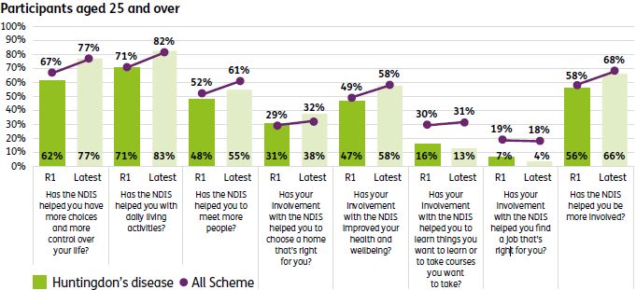

The underlying numbers for these charts are shown in the Tab named '89. Participant Helped (Hunt)' in this spreadsheet - e.g.

Participants aged 25 and over | Review | Huntington's disease | All Scheme
Has the NDIS helped you have more choices and more control over your life? | R1 | 62% | 67%
 | Latest | 77% | 77%
Has the NDIS helped you with daily living activities? | R1 | 71% | 71%
 | Latest | 83% | 82%
Has the NDIS helped you to meet more people? | R1 | 48% | 52%
 | Latest | 55% | 61%
Has your involvement with the NDIS helped you to choose a home that's right for you? | R1 | 31% | 29%
 | Latest | 38% | 32%
Has your involvement with the NDIS improved your health and wellbeing? | R1 | 47% | 49%
 | Latest | 58% | 58%
Has your involvement with the NDIS helped you to learn things you want to learn or to take courses you want to take? | R1 | 16% | 30%
 | Latest | 13% | 31%
Has your involvement with the NDIS helped you find a job that's right for you? | R1 | 7% | 19%
 | Latest | 4% | 18%
Has the NDIS helped you be more involved? | R1 | 56% | 58%
 | Latest | 66% | 68%

For example, page 99 of the report has five charts titled 'Rating of experience with the NDIA in Q2-Q3 2020-21 at the Review stage'. The title of the slide is 'Participant Satisfaction - the Review stage'.
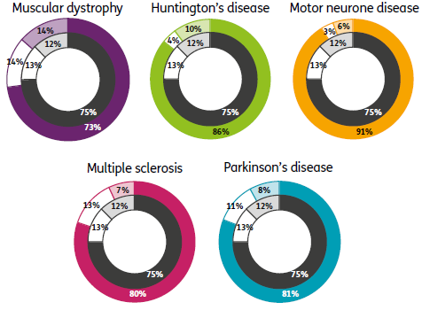

The underlying numbers for these charts are shown in the Tab named '98. PSS Review' in this spreadsheet - e.g.

Disability Type | Very Good / Good | Neutral | Poor / Very Poor
Muscular dystrophy | 73% | 14% | 14%
All Scheme | 75% | 13% | 12%

Disability Type | Very Good / Good | Neutral | Poor / Very Poor
Huntington's disease | 86% | 4% | 10%
All Scheme | 75% | 13% | 12%

Disability Type | Very Good / Good | Neutral | Poor / Very Poor
Motor neurone disease | 91% | 3% | 6%
All Scheme | 75% | 13% | 12%

Disability Type | Very Good / Good | Neutral | Poor / Very Poor
Multiple sclerosis | 80% | 13% | 7%
All Scheme | 75% | 13% | 12%

Disability Type | Very Good / Good | Neutral | Poor / Very Poor
Parkinson's disease | 81% | 11% | 8%
All Scheme | 75% | 13% | 12%

The purple tabs act as breaks corresponding to the section breaks in the presentation.

Abbreviations in tab names:
MD refers to Muscular dystrophy
Hunt refers to Huntington's disease
MND refers to Motor neurone disease
MS refers to Multiple sclerosis
Park refers to Parkinson's disease
CALD refers to Culturally and Linguistically Diverse
ACT refers to Australian Capital Territory
NSW refers to New South Wales
NT refers to Northern Territory
QLD refers to Queensland
SA refers to South Australia
TAS refers to Tasmania
VIC refers to Victoria
WA refers to Western Australia
PSG refers to Participant Service Guarantee
ECEI refers to Early Childhood Early Intervention
PRR refers to Participant Requested Reviews
RoRD refers to Review of Reviewable Decisions
SIL refers to Supported Independent Living
Q2 refers to Quarter 2
Q3 refers to Quarter 3
Q4 refers to Quarter 4
PSS refers to Participant Satisfaction Survey
R1 refers to first review
FC refers to families and carers of participants

