GUIDE TO SPREADSHEET
This Excel spreadsheet contains the underlying data used to create the charts seen in the 'Young people in the NDIS' report, published by the NDIA in September 2020.

The numbered tabs on the sheet correspond to the slides in the presentation. In the name of each tab, there is an abbreviated description of the slide following the slide number.

For example, slide 44 in the presentation has a chart titled 'Average annualised committed supports by level of function'. The title of the slide is 'Committed supports by level of function'.
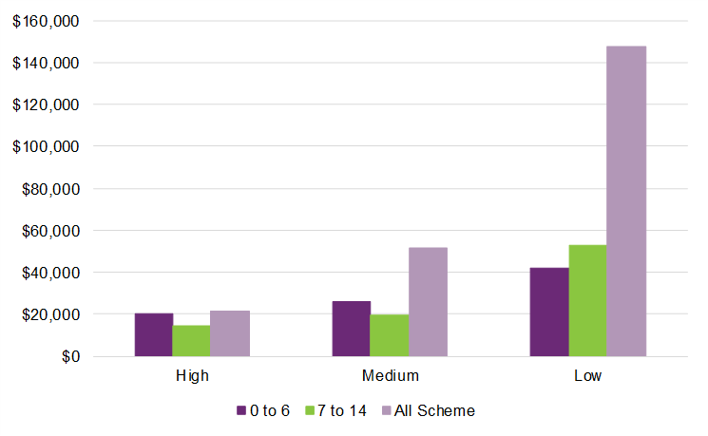
Average annualised committed supports by level of function

The underlying numbers for this chart is shown in the Tab named '44. ACS by LOF' in this spreadsheet - e.g.

Level of Function | Ages 0 to 6 | Ages 7 to 14 | All Scheme
High | $20,250 | $14,345 | $21,339
Medium | $25,890 | $19,537 | $51,959
Low | $42,173 | $53,091 | $147,334

The purple tabs act as breaks corresponding to the section breaks in the presentation.

Abbreviations in tab names:
ECEI refers to Early Childhood Early Intervention
Prtcpnts refers to participants
Indig refers to Indigenous participants
CALD refers to Culturally and Linguistically Diverse participants
EvN refers to existing vs new participants
Remote refers to remoteness
Socioeco refers to socioeconomic
Dis refers to disability type
LOF refers to level of function
Dec refers to decisions
Q refers to quarterly
PlanMngmt refers to financial plan management
CS refers to committed supports
ACS refers to average committed supports
Budg refers to plan budgets
Utlstn refers to utilisation
Otcms refers to outcomes
P0toSS refers to participants aged 0 to starting school
PSto14 refers to participants aged school age to 14
F0to14 refers to families/carers of participants aged 0 to 14
Satisf refers to satisfaction

