GUIDE TO SPREADSHEET
This Excel spreadsheet contains the underlying data used to create the charts seen in the 'People with an intellectual disability in the NDIS' report, published by the NDIA in March 2020.

The numbered tabs on the sheet correspond to the slides in the presentation. In the name of each tab, there is an abbreviated description of the slide following the slide number.

For example, slide 17 in the presentation has a chart titled 'Average annualised committed supports - split by SIL/Non-SIL status'. The title of the slide is 'Committed supports by supported independent living'.

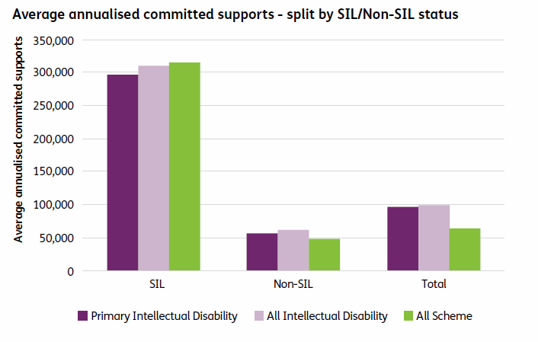

The underlying numbers for this chart is shown in the Tab named '17. ACS by SIL' in this spreadsheet - e.g.

SIL/Non-SIL | Primary Intellectual Disability | All Intellectual Disability | All Scheme
SIL | $295,970 | $309,945 | $317,190
Non-SIL | $57,390 | $60,774 | $48,261
Total | $97,062 | $100,156 | $65,934

The purple tabs act as breaks corresponding to the section breaks in the presentation.

Abbreviations in tab names:
Prtcpnts refers to participants
Indig refers to Indigenous participants
CALD refers to Culturally and Linguistically Diverse participants
ACS refers to average committed supports
SIL refers to supported independent living
P0toSS refers to participants aged 0 to starting school
PSto14 refers to participants aged school age to 14
P15to24 refers to participants aged 15 to 24
P25plus refers to participants aged 25 and over
F0to14 refers to families/carers of participants aged 0 to 14
F15plus refers to families/carers of participants aged 15 and over

